Best Model
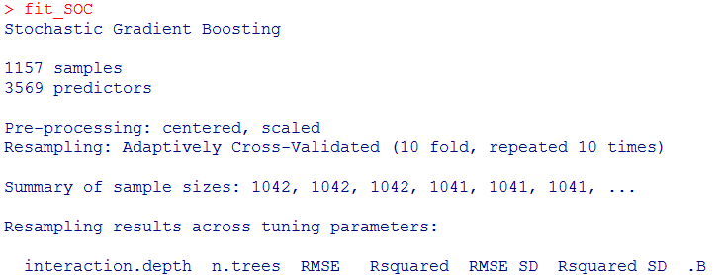
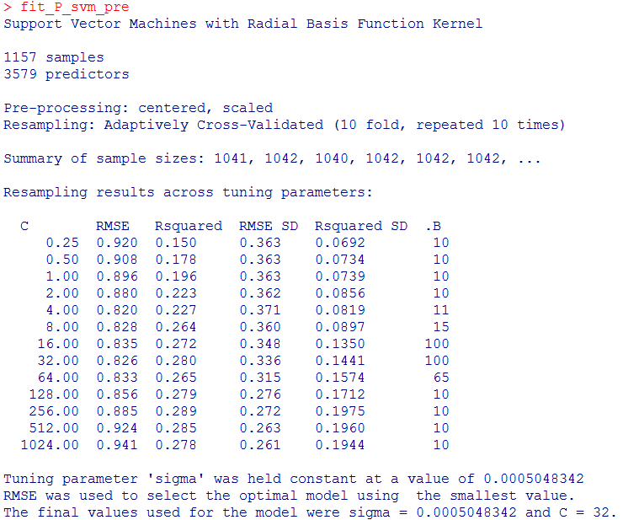

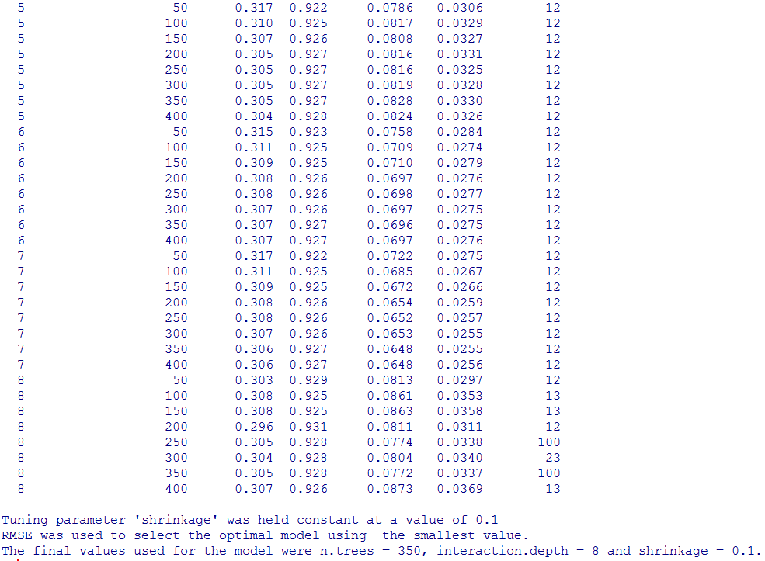

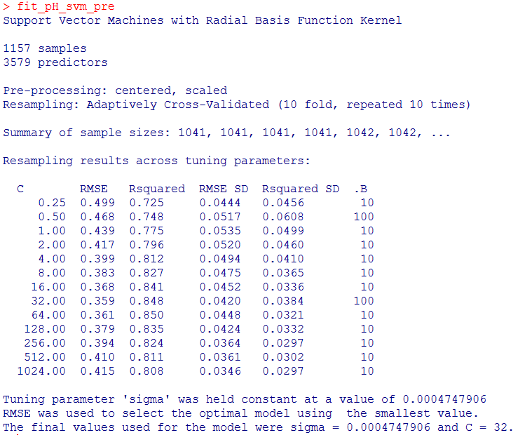

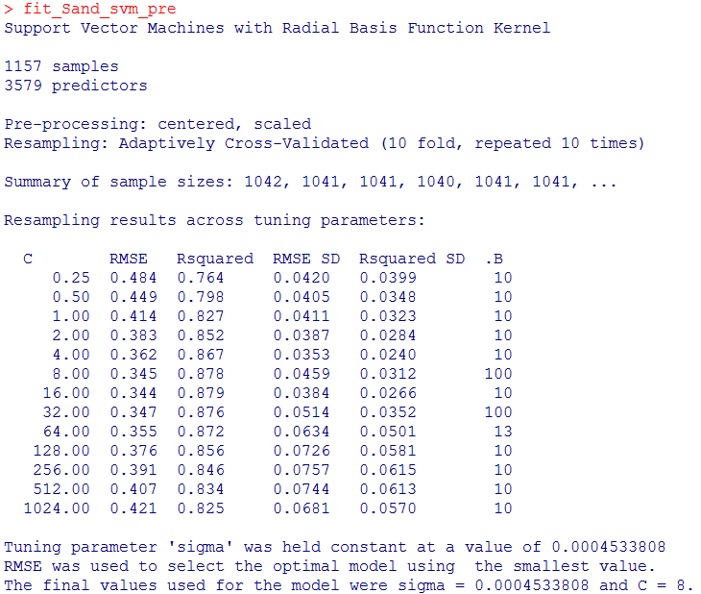

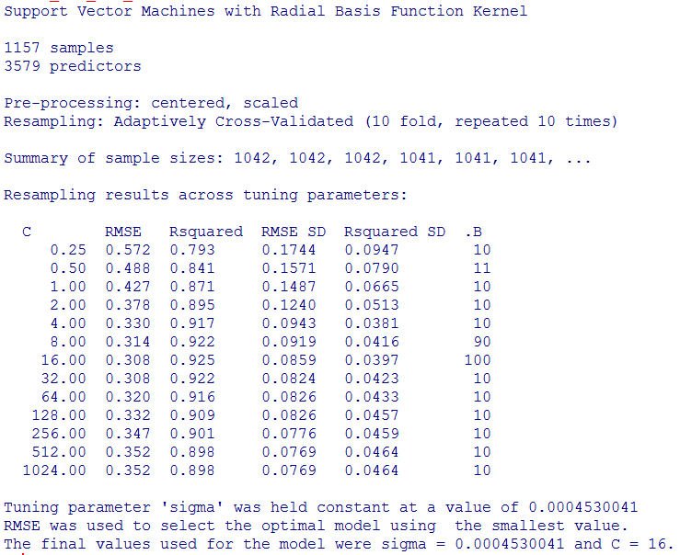

SVMRadial
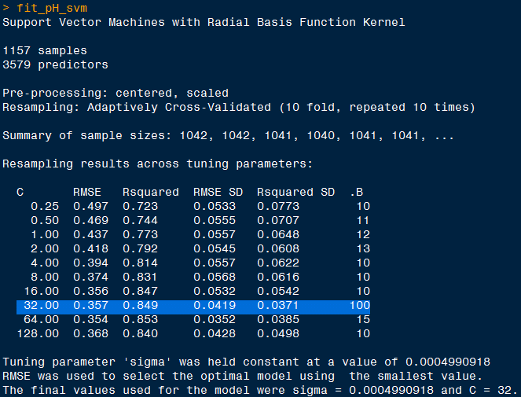
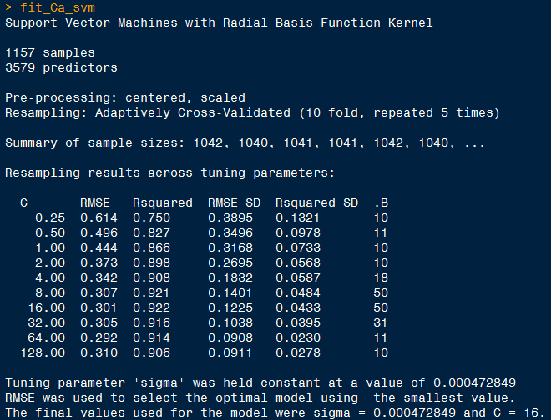
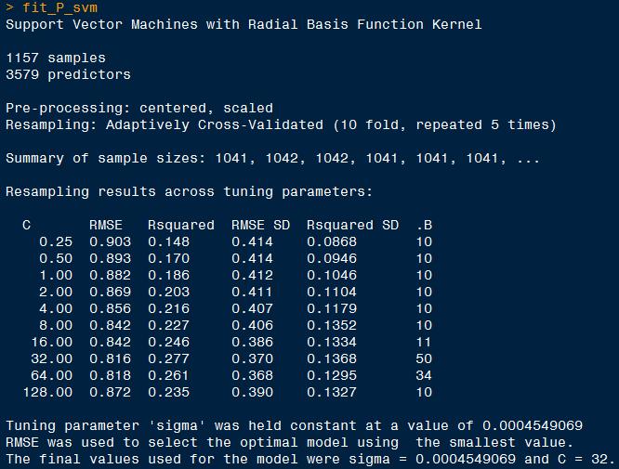
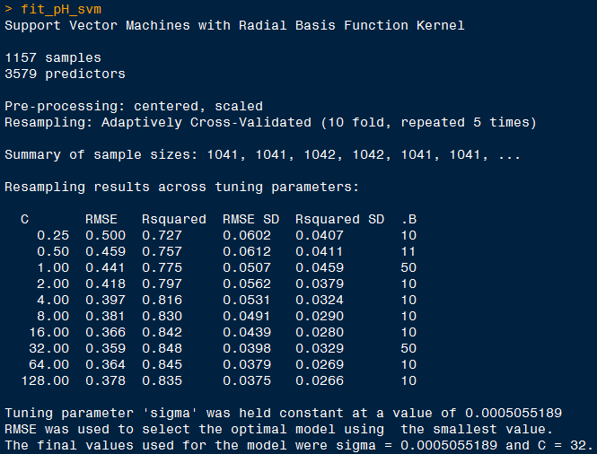

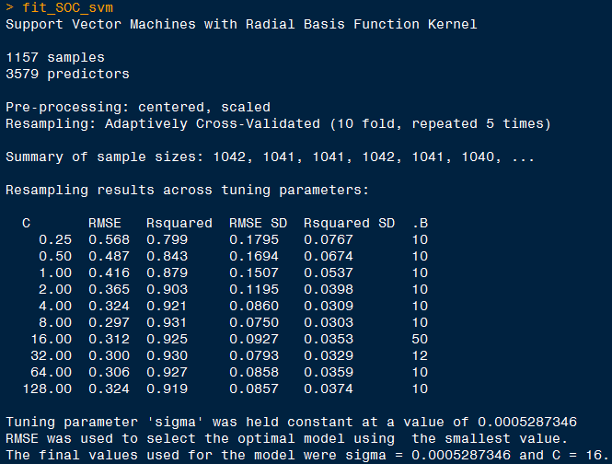
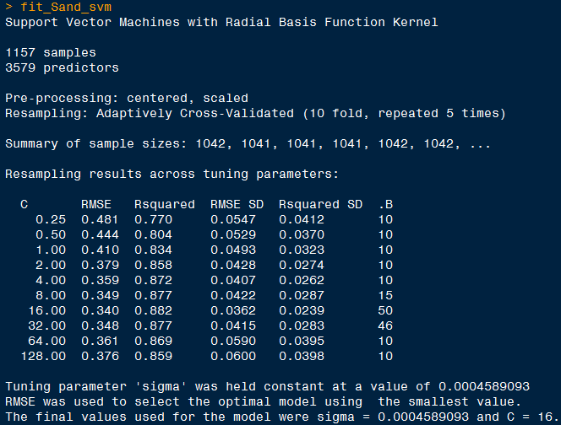
 | RMSE
SOC | 0.573 | GBR
pH | 0.548 | BayesianRidge
Ca | 0.415 | SVRLinearKernel
P | 0.996 | SVRLinearKernel
Sand | 0.525 | SVRLinearKernel
 | RMSE | 10:05:00 | R2 | RMSE | 10:10:00 | R2
SOC | 0.312 | SVMRadial | 0.925 | 0.302 | SVMRadial | 0.928
pH | 0.359 | SVMRadial | 0.848 | 0.357 | SVMRadial | 0.849
Ca | 0.301 | SVMRadial | 0.922 |  | SVMRadial
P | 0.816 | SVMRadial | 0.277 |  | SVMRadial
Sand | 0.34 | SVMRadial | 0.882 |  | SVMRadial |  | 0.3521 (e1071)
 |  |  |  |  |  |  | 0.3475

outlier
